Header
GUNNEDAH SALEYARDS MONITORING DATA (Environment Protection Licence 11561)

 | Licensee Name: | Gunnedah Shire Council |  | Data Period / Year: | 2016/17
 | Licensee Address: | PO Box 63, Gunnedah NSW 2340
 | Facility Address: | Kamilaroi Highway, Gunnedah NSW 2380 |  | Data Publishing Date:

 | To retrieve the full licence from the EPA website, click this link.

 | Locations of Monitoring Points: |  | CLICK TO VIEW MAP
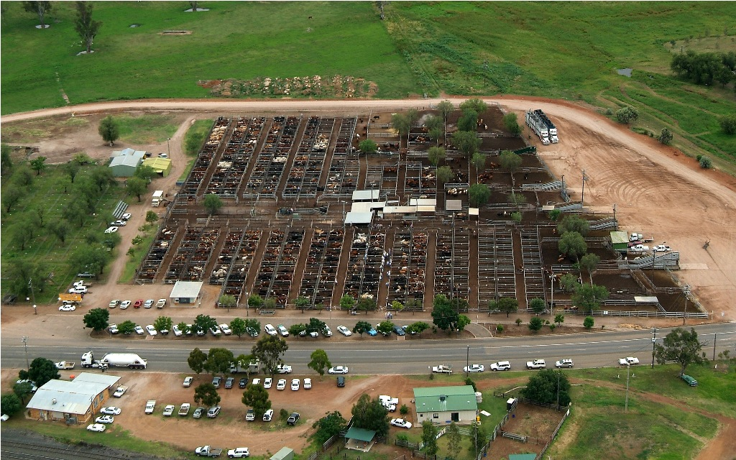
 | Monitoring Point Data:

 | EPA 1

 | EPA 2

 | EPA 3

 | EPA 4

 | EPA 5

 | EPA 6

 | EPA 7

 | DISCHARGES

 | CORRECTIONS to previously published DATA (if applicable):

 | Corrections Log

Please contact Council's Saleyards Manager if you require any additional information relating to published monitoring data: Phone: (02) 6740 2100 Email: council@infogunnedah.com.au Mail: PO Box 63, GUNNEDAH NSW, 2380

Monitor Point Map
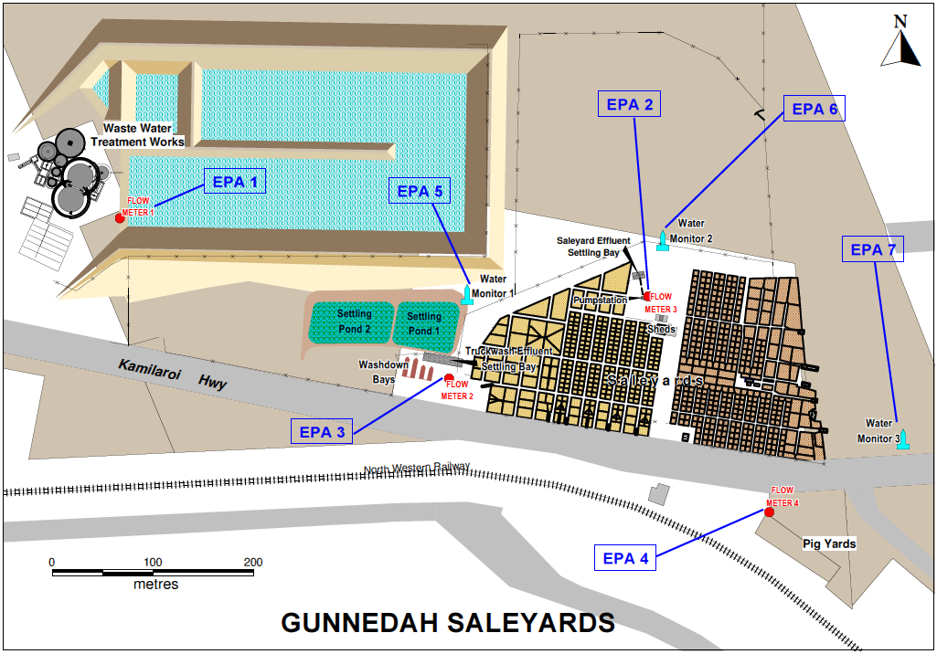
EPA Licence L11561 - Map showing Monitoring Locations (Condition P1.3) | Back to Index

